Sheet1
DEL-ITP-080
 |  | Construction Process: |  |  | Piling Work |  |  |  |  |  |  | Prepared By: |  | David R.
 |  |  |  |  |  |  |  |  |  |  |  | Approved By: |  | Azeen N.
Client: | Powercor Network Services |  |  | Project No. | 27778 | Typical Pile Foundation F01 - PILES # |  |  |  |  |  |  | Date: | 2024-01-24
Project: | TNA |  |  |  |  |  |  |  |  |  |  |  | Version: | 4
 |  |  |  |  |  |  |  |  |  |  |  | Checked By
Item No. | Task Activity |  | Freq. | Acceptance Criteria |  |  | Ref Docs. | Method | Type | Resp. | Comments | Client | Applied | Date
1 | Check for current drawings |  |  | Current "For Construction" drawings utilised |  |  | Approved IFC Drawings | Confirm current drawings in use | WP | Applied
 |  |  |  | TNA/350/A2
 |  |  |  | TNA/365/2
 |  |  |  | TNA/301/H.1
2 | Setting out |  |  | Surveyor to verify/confirm location |  |  | Approved IFC Drawings | Survey | WP | Applied
3 | Safety, Traffic & Enviro measures |  |  | Compliance with described measures contained in plans |  |  | Ops Man Plan | Check and confirm measures | WP | Applied
4 | Drill Pile foundation to required depth |  |  | Piles drilled to correct depth (750mm dia & min depth 2000mm from FSL). Where rock is encountered before reaching target dept, pile shall be embedded to depth 1 x pile diameter into the bedrock |  |  | Approved IFC Drawings | Confirm depth against approved IFC drawings | WP | Applied
5 | PLace the pile cage |  | Pre concrete pour | Cages complies with IFC drawings (12-N16, Helix N12 @ 120 (Pitch 1) & 240 (Pitch 2) with 2 additional turns Top, Bottom and 750mm from the bottom) |  |  | Approved IFC Drawings | Confirm against approved IFC drawings | WP | Applied

6 | Install Rag bolts |  | Pre concrete pour | Rag bolts size, dimensions and alignments are comply with IFC darwings |  |  | Approved IFC Drawings | Confirm against approved IFC drawings | WP | Applied
 |  |  |  | (4-off M30 all thread with 4HDG nuts and 2 washers each) 750 all thread long
7 | Pre Pour Approval |  | Pre concrete pour | Pre pour inspection by Client |  |  |  | Approval to proceed by Client | HP | Client
8 | Pour Concrete |  |  | Concrete to comply with IFC drawing (32MPa) |  |  | Approved IFC Drawings | Visual checks | WP | Applied
9 | Review of As-Built |  |  | Grades, dimensions and thickness recorded on As Built Drawings |  |  |  | Visual checks | HP | Applied | As built drawings
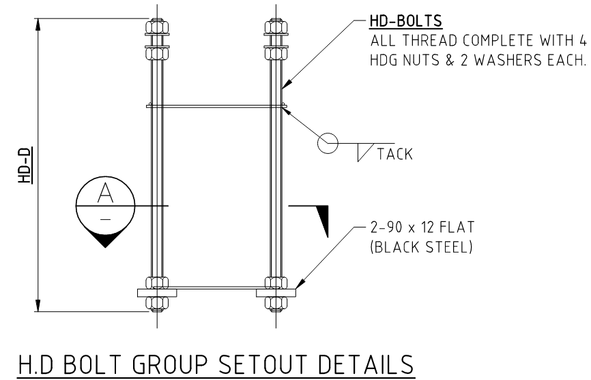 |  |  |  |  | 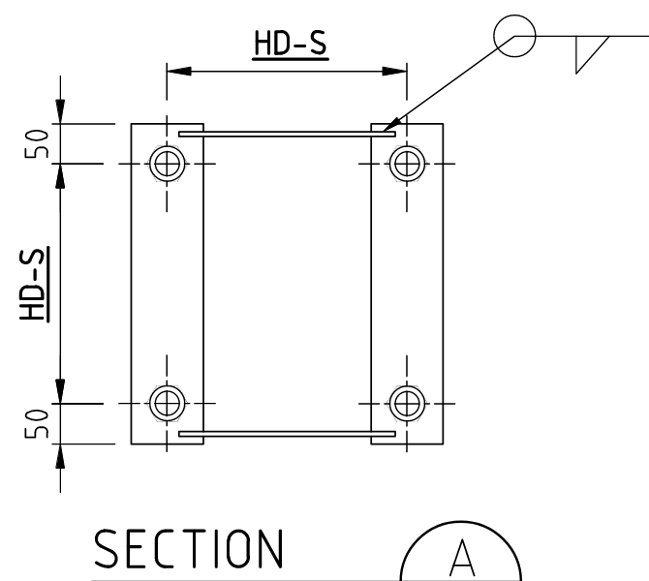 |  |  |  |  | 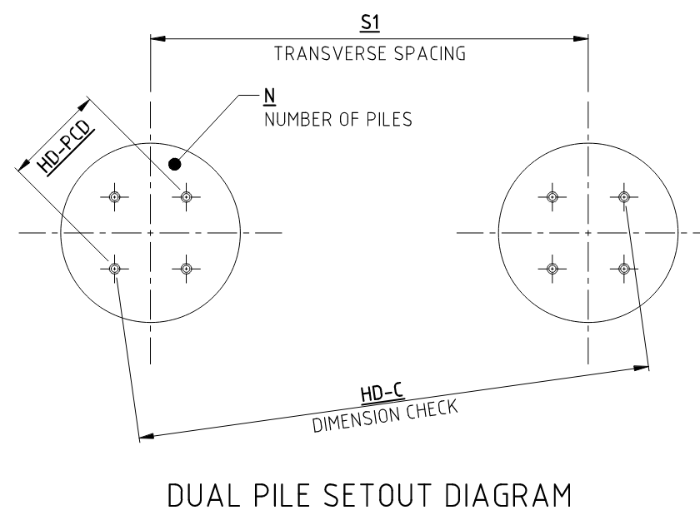

 | HP | Hold Point |  | Work will not proceed until released by client
 | WP | Witness Point |  | Work can only proceed after being released by the nominated party
 | TP | Test Point |  | Work can only proceed once the specified test has been undertaken successfully

Final Inspection:

 | Name: |  |  |  |  |  |  | Position:

 | Signature: |  |  |  |  |  |  | Date:

